Emirate Fees
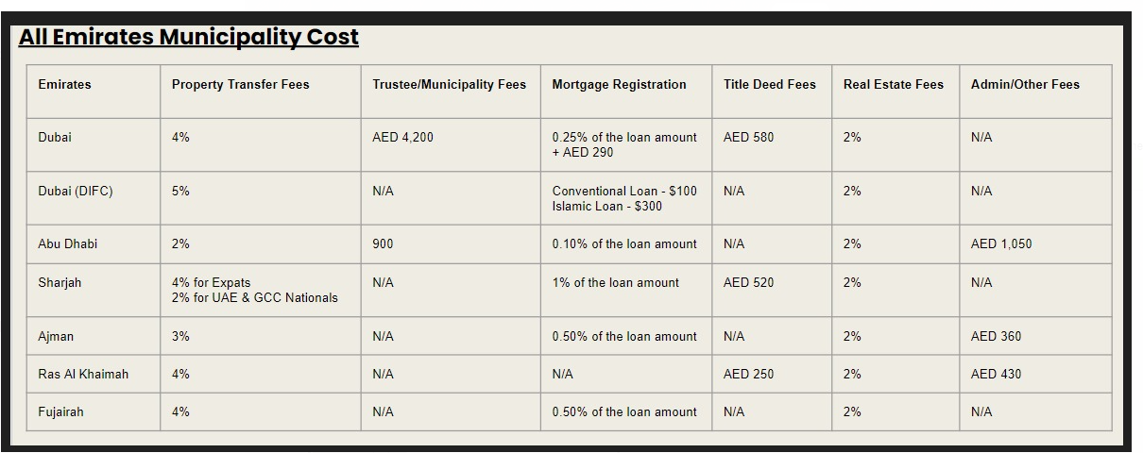
Fees | Dubai | Abu Dhabi | Sharjah | Ajman | Ras Al Khaimah
Land Department Fee | 4% of purchase price + AED 580 | 2% of purchase price | 4% of purchase price | 3% of purchase price + AED 720 | 2% of purchase price
Mortgage Registration | 0.25 % of loan amount + AED 290 | 0.1 % of loan amount | 0.5 % of loan amount | 0.5 % of loan amount | 0.1 % of loan amount
Transfer center Fee | AED 4200 (inclusive of VAT) | 900 | N/A | N/A | N/A
Real Estate Fee | (2% of purchase price + 5% VAT) | (2% of purchase price + 5% VAT) OR As per the MOU | (2% of purchase price + 5% VAT) OR As per the MOU | (2% of purchase price + 5% VAT) OR As per the MOU | (2% of purchase price + 5% VAT) OR As per the MOU
Bank processing fee | 0.25% to 1% | 0.25% to 1% | 0.25% to 1% | 0.25% to 1% | 0.25% to 1%
Property valuation (fixed) | AED 1950 to AED 3150 | AED 1950 to AED 3150 | AED 1950 to AED 3150 | AED 1950 to AED 3150 | AED 1950 to AED 3150
Other |  | 1050 ADM valuation fee |  | AED 10 per sqft as land fee to Ajman land department fee is applicable

